Sheet1
 | BUG REPORT


 | Project Name | LetCode
 | Reported By | Shaik Tanzeela
 | Date | 2024-05-10
 | Platform | Windows 10
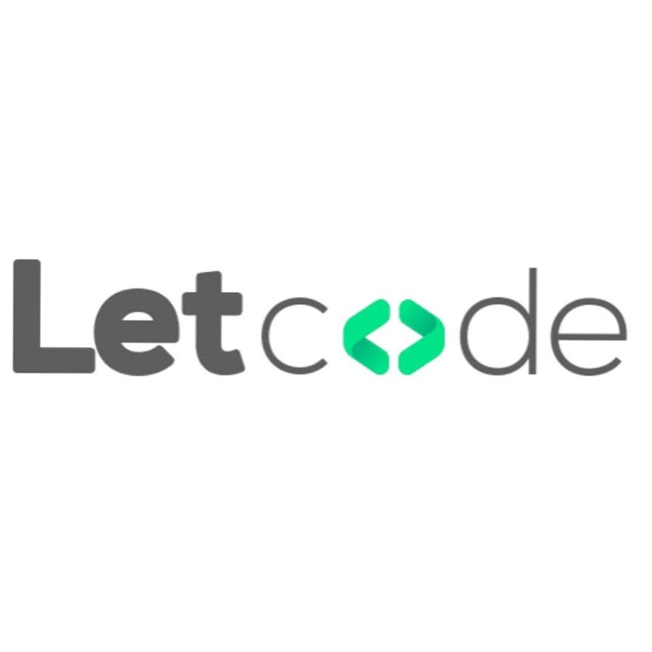
 | Browser | Chrome
 | How Detected | Testing
 | Status | OPEN
 | Number of Bugs | 24

Bug ID | Bug Description | Steps to reproduce | Environment | Expected Behaviour | Actual Behaviour | Severity/priority | Attachments
Bug ID - 001 | The system does not accept valid strong passwords with special characters and mixed case. | 1.Visit the URL https://letcode.in/ 2.Navigate to the sign-up page. 3.Enter a strong password (e.g., Password@123) in the password field. 4.Confirm the password in the confirm password field. 5.Click the "Sign-Up" button. | Chrome Internet connection | User is successfully Sign up with strong password | User is able to Sign up successfully also with the weak password | P0/High | Screenshot it available
Bug ID - 002 | No confirmation email is sent after sign-up, even though the user receives a success message on the sign-up page. | 1.Visit the URL https://letcode.in/ 2.Navigate to the sign-up page 3.Complete the sign-up process with valid inputs. 4.Check the registered email inbox for a confirmation email. | Chrome Internet connection | Confirmation email is received in the inbox. | User not able get the confirmation email after sign up | P2/Low | Screenshot it available
Bug ID - 003 | After clicking the "Sign out" button, the user remains logged in and can still access protected pages. | 1.Visit the URL https://letcode.in/ 2.Navigate to the dashboard. 3.Click on the Sign out button. | Chrome Internet connection | The user should be sign out and redirected to the Sign in page. | User able to sign out and not redirect to sign up page | P1/Low | Screenshot it available
Bug ID - 004 | After sign-up, the user is not redirected to the login page and remains on the sign-up confirmation screen. | 1.Visit the URL https://letcode.in/ 2.Navigate to the sign-up page 3.Complete the sign-up process with valid inputs. 4.Click the "Sign-Up" button. | Chrome Internet connection | User is redirected to the login page after successful sign-up. | User not able to redirected to the login page It redirected to the homepage | P2/Medium | Screenshot it available
Bug ID - 005 | The user can complete sign-up without checking the terms and conditions checkbox, bypassing the required validation. | 1.Visit the URL https://letcode.in/ 2.Navigate to the sign-up page 3.Fill all fields but leave the "I agree to the terms and conditions" checkbox unchecked. 4.Click the "Sign-Up" button. | Chrome Internet connection | Error message is displayed: "You must agree to the terms and conditions." | User can not see the Error message for not selecting the terms and conditions checkbox | P2/Medium | Screenshot it available
Bug ID - 006 | The system accepts weak passwords that do not meet the specified complexity requirements (e.g., missing numbers or special characters). | 1.Visit the URL https://letcode.in/ 2.Navigate to the sign-up page 3.Enter a password that does not meet complexity requirements (e.g., password without any numbers or special characters). 4.Sign up the form. | Chrome Internet connection | Error message is displayed: "Password must include uppercase, lowercase, a number, and a special character." | User not able to see an error message and It sign up with the weak password | P0/High | Screenshot it available
Bug ID - 007 | The sign-up form allows users to sign up without completing the CAPTCHA, bypassing this security check. | 1.Visit the URL https://letcode.in/ 2.Navigate to the sign-up page 3.Fill in the form but do not complete the CAPTCHA. 4.Click the "Sign Up" button. | Chrome Internet connection | Error message is displayed: "Please complete the CAPTCHA." | There is no CAPTCHA Provided in the sign up page | P3/Low | Screenshot it available
Bug ID - 008 | The sign-up page layout breaks on tablet devices, with the fields misaligned and overlapping. | 1.Visit the URL https://letcode.in/ 2.Navigate to the sign-up page. 3.Open the sign-up page on a mobile device. 4 Resize the browser window to simulate tablet and desktop views. | Chrome Internet connection | The layout adjusts properly for different screen sizes, and the form remains easy to use. | User is not able to see the sign up button on homepage in Mobiles | P2/Low | Screenshot it available
Bug ID - 009 | The password field does not include a "show/hide" toggle, forcing users to re-enter passwords multiple times if errors occur. | 1.Visit the URL https://letcode.in/ 2.Navigate to the sign-up page. 3.Enter a password in the password field. 4.Toggle the "show/hide" icon to display the password. | Chrome Internet connection | Users can toggle the visibility of the password, improving usability without compromising security. | User cannot toggle the visibility of the password " There is no show/hide button for password | P2/Medium | Screenshot it available
Bug ID - 010 | The form does not display tooltips or inline help when entering a password, leaving users unaware of the required password complexity. | 1.Visit the URL https://letcode.in/ 2.Navigate to the sign-up page. 3.Hover over or click on the password field. | Chrome Internet connection | A tooltip or inline message is displayed, providing guidelines on password complexity (e.g., "Password must include uppercase, lowercase, a number, and a special character"). | There is no inline message is display for the password | P1/Medium | Screenshot it available
Bug ID - 011 | Error messages appear at the top of the form, not next to the field causing the error, making it difficult for users to identify the issue. | 1.Visit the URL https://letcode.in/ 2.Navigate to the sign-up page. 3.Enter invalid data in a form field (e.g., invalid email). 4.Submit the form. | Chrome Internet connection | Error messages are not clearly associated with the problematic field, making it difficult for users to know what went wrong. | Users can see the error message easily but it is not shown in the problematic field | p1/Medium | Screenshot it available
Bug ID - 012 | Error messages are displayed at the top of the page, and users are required to scroll back up to identify the issue. | 1.Visit the URL https://letcode.in/ 2.Navigate to the sign-up page. 3.Enter invalid data (e.g., incorrect email format). 4.Submit the form. | Chrome Internet connection | If the error message is displayed at the top of the page instead of next to the invalid field, users may not see it, leading to confusion. | User can see the error message at the top of the page | p1/Medium | Screenshot it available
Bug ID - 013 | The form does not automatically focus on the first input field, requiring the user to manually click to begin filling out the form. | 1.Visit the URL https://letcode.in/ 2.Open the sign-up page. | Chrome Internet connection | If the focus is not automatically set to the first input field (e.g., Name or Email), users may have to click into the field to start entering data, reducing efficiency. | User have to go to field and give the details | P1/Low | Screenshot it available
Bug ID - 014 | The page becomes unresponsive and distorts when zoomed in, particularly on mobile devices. | 1.Visit the URL https://letcode.in/ 2.Navigate to the sign-up page. 3.Zoom in on the page. | Chrome Internet connection | If the page is not responsive, elements may become misaligned, making the form difficult to fill out. | The elements are misaligned | p1/Medium | Screenshot it available
Bug ID - 015 | The "Remember Me" checkbox does not function correctly, and the user is logged out after closing the browser despite selecting the option. | 1.Visit the URL https://letcode.in/ 2.2.Click on the login Button and Navigate to the login page. 3.Enter valid credentials. 4.Check the Remember Me option. 5.Log in and close the browser. 6.Reopen the browser and navigate to the login page. | Chrome Internet connection | The username should be pre-filled, or the user should remain logged in. | User is not logged in after the reopening the browser | P1/Medium | Screenshot it available
Bug ID - 016 | There is no logout button | 1.Visit the URL https://letcode.in/ 2.Navigate to the dashboard. 3.Click on the Logout button. | Chrome Internet connection | The user should be logged out and redirected to the login page. | User is not able to Logout due to there is no logout button | P1/Medium | Screenshot it available
Bug ID - 017 | The cursor is not automatically focus on the username field. | 1.Visit the URL https://letcode.in/ 2.Click on the login Button 3.Open the login page. | Chrome Internet connection | The cursor should automatically focus on the username field. | The cursor is not automatically focus on the username field. | P2/Medium | Screenshot it available
Bug ID - 018 | On smaller mobile screens, the homepage layout breaks, causing images and text to overlap or be cut off. | 1.Visit the URL https://letcode.in/ 2.Open the homepage on a mobile device or a small browser window. | Chrome Internet connection | The layout should adjust, and all elements should remain accessible. | Elements are mismatch in the mobiles | P1/Medium | Screenshot it available
Bug ID - 019 | After signing out, the user can still access previously visited protected pages using the browser’s back button. | 1.Visit the URL https://letcode.in/ 2.Navigate to the homepage or any protected page. 3. Sign out of the application. 4. Attempt to access a protected page (e.g., user profile). | Chrome Internet connection | The user is redirected to the login page when trying to access any protected page after signing out. The session should no longer be valid. | The user is not Redirected to the login page after the Sign out | P1/Medium | Screenshot it available
Bug ID - 020 | The user’s session remains active even after sign out, allowing unauthorized access to protected pages. | 1.Visit the URL https://letcode.in/ 2.Click the "Sign Out" button. 3. Inspect the session cookies or tokens. 4. Try accessing protected pages post-sign out. | Chrome Internet connection | After signing out, all session cookies/tokens should be deleted. The user should not be able to access any protected pages, and attempts to do so should redirect them to the login page. | User is able to access the protected pages after sign out | P0/High | Screenshot it available
Bug ID - 021 | Some form fields (e.g., dropdowns) are not responsive, preventing the user from selecting options or completing the form. | 1.Visit the URL https://letcode.in/ 2.Navigate to the Home page 3.Click on Explore Workspace button at the middle of homepage 4. Redirected to the Explore Workspace page 5. click on Input - Edit", "Button - Click", Select - Drop Down " "Alert - Dialog" 6. fill all the edit , click, pages forms | Chrome Internet connection | The user should be able to correctly interact with and fill in all fields. Input fields should accept and validate data, buttons should trigger actions, dropdowns should allow proper selection, and alerts should display relevant information. There should be no form submission or input errors. | The user is not able to easily understand the forms | P0/High | Screenshot it available
Bug ID - 022 | Some forms are Difficult to understand and fill it | 1.Visit the URL https://letcode.in/ 2.Navigate to the Home page 3.Click on Explore Workspace button at the middle of homepage 4. Redirected to the Explore Workspace page 5. Click on all the links one by one and check | Chrome Internet connection | The user should be able to interact with frames, radio buttons, and other elements smoothly. Frames should load correctly, radio buttons should be selectable, and the forms in these elements should be fillable and functional. After submission, the forms should behave as expected | The user is able to click all the links and fill forms In " Frame, Radio Window, Elements " fields But the forms are difficult to understand | p0/Medium | Screenshot it available
Bug ID - 023 | The embedded YouTube video takes an excessive amount of time (more than 15 seconds) to load, affecting user experience. | 1.Visit the URL https://letcode.in/ 2.Navigate to the Home page 3.Click on Interview Q&A button at the middle of homepage 4. Redirected to the Interview Q&A page 5.click on youtube link | Chrome Internet connection | The YouTube video should load within 2-5 seconds under normal internet conditions. If the internet is slow, the video may take longer, but the player should still load without freezing or errors. | The user is able youtube video taking 3 minutes to load | P1/Low | Screenshot it available
Bug ID - 024 | Clicking on certain UI & Design categories results in no response, with the page failing to load the respective content. | 1.Visit the URL https://letcode.in/ 2.Navigate to the Home page 3.Click on LetXPath button at the middle of homepage 4. Redirected to the LetXPath page 5.click on UI & Design | Chrome Internet connection | The button should be functional and clickable, taking the user to the relevant category page or section | The user is not able to click on the "UI & Design, features Categories | P1/Medium | Screenshot it available

